OFFER PUMA
 |  |  |  | € 58.64 | 842,990.37 € | 14375
PHOTOS | LOT | REF | ARTICLE | RETAIL | TOTAL RETAIL | QTY | A | SzCode |  |  |  | XXS | XS | S | M | L | XL | XXL | XXXL |  | TU | S/M | L/XL
 |  |  |  |  |  |  | B |  | 86 | 92 | 98 | 104 | 110 | 116 | 122 | 128 | 134 | 140 | 146 | 152 | 158 | 164 | 170 | 176
 |  |  |  |  |  |  | C |  |  |  |  | 56 | 62 | 68 | 74 | 80 | 86 | 92 | 98 |  | 35/38 | 39/42 | 43/46
 |  |  |  |  |  |  | D |  |  |  |  | 0 | 1 | 2 | 3 | 4 | 5 | 6 | 7
 | PU014 | 022923-01 | P X YEAR SNAPBACK CAP | 35.00 € | 1,995.00 € | 57 | A |  |  |  |  |  |  |  |  |  |  |  |  |  | 57
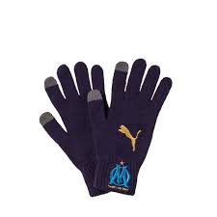 | PU014 | 041489-M1 | 01_OM KNITTED GLOVE | 25.00 € | 4,225.00 € | 169 | A |  |  |  |  | 98 |  | 71
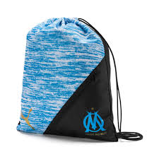 | PU014 | 075576-M1 | 01_OM LIGA GYM SACK | 20.00 € | 2,500.00 € | 125 | A |  |  |  |  |  |  |  |  |  |  |  |  |  | 125
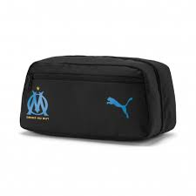 | PU014 | 076790-03 | TROUSSE DE TOILETTE | 20.00 € | 940.00 € | 47 | A |  |  |  |  |  |  |  |  |  |  |  |  |  | 47
 | PU014 | 515103-05 | W CROSS THE L SINGLET | 25.00 € | 1,725.00 € | 69 | A |  |  |  |  |  | 19 | 21 | 29
 | PU014 | 517152-01 | W SOLID 3/4 TIGHT | 35.00 € | 36,190.00 € | 1034 | A |  |  |  |  |  | 291 | 381 | 282 | 77 | 3
 | PU014 | 517245-01 | W RCC ACE TANK MONO | 25.00 € | 13,225.00 € | 529 | A |  |  |  |  |  | 39 | 110 | 222 | 123 | 35
 | PU017 | 518048-04 | W TRAIN LEG | 40.00 € | 1,120.00 € | 28 | A |  |  |  |  |  |  | 28
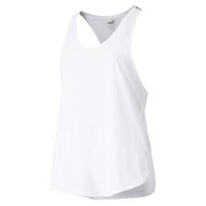 | PU014 | 518285-03 | W STUDIO MESH TANK | 25.00 € | 175.00 € | 7 | A |  |  |  |  |  | 3 | 2 | 2
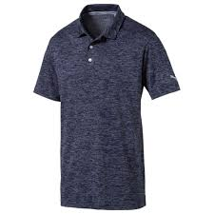 | PU014 | 575932-02 | CREST HEATHER POLO | 50.00 € | 7,500.00 € | 150 | A |  |  |  |  |  | 4 | 11 | 27 | 67 | 33 | 8
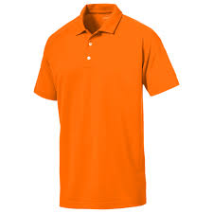 | PU014 | 577152-10 | ESS CRESTING POLO | 45.00 € | 22,860.00 € | 508 | A |  |  |  |  |  | 62 | 67 | 250 | 93 | 33 | 3
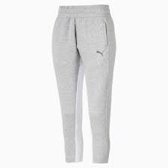 | PU014 | 580062-04 | W EVOST PANTS | 52.00 € | 52.00 € | 1 | A |  |  |  |  |  |  | 1
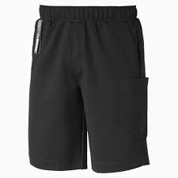 | PU014 | 580389-01 | FD NUTILITY SHORT | 40.00 € | 40.00 € | 1 | A |  |  |  |  |  |  |  |  |  | 1
 | PU014 | 583155-D1 | 01_DKT M PANT CL FT CP | 40.00 € | 200.00 € | 5 | A |  |  |  |  |  |  |  |  |  | 5
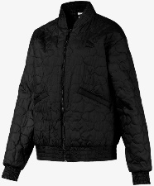 | PU014 | 595247-01 | W BOMBER JKT | 75.00 € | 75.00 € | 1 | A |  |  |  |  |  |  |  |  | 1
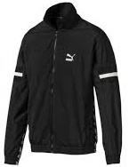 | PU014 | 595310-01 | FD PUMA XTG WOVEN JKT | 79.99 € | 20,077.49 € | 251 | A |  |  |  |  |  |  | 109 | 90 | 41 | 11
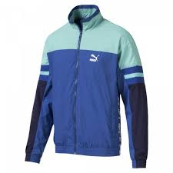 | PU014 | 595310-39 | FD PUMA XTG WOVEN JKT | 79.99 € | 959.88 € | 12 | A |  |  |  |  |  |  | 12
 | PU014 | 595344-01 | SLCT RHUDE COAT | 200.00 € | 4,800.00 € | 24 | A |  |  |  |  |  |  | 7 | 7 | 5 | 3 | 2
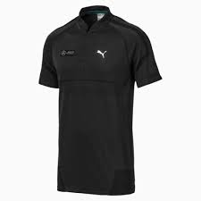 | PU014 | 595348-01 | MAPM RCT EVOKNIT POLO | 68.00 € | 408.00 € | 6 | A |  |  |  |  |  |  | 4 |  |  | 2
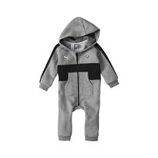 | PU014 | 595478-03 | BMW COMBI | 70.00 € | 4,200.00 € | 60 | B |  |  |  | 30 | 30
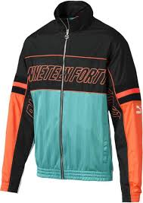 | PU014 | 595759-35 | FD LUX XTG WOVEN JKT | 90.00 € | 1,980.00 € | 22 | A |  |  |  |  |  |  | 13 | 5 | 1 | 3
 | PU014 | 595760-35 | FD LUX XTG WOVEN PT | 75.00 € | 1,500.00 € | 20 | A |  |  |  |  |  |  | 15 |  | 1 | 4
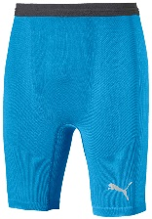 | PU014 | 655324-MR | 35_FINAL EVOKNIT BL T | 50.00 € | 1,400.00 € | 28 | A |  |  |  |  |  |  | 4 | 9 | 9 | 0 | 6
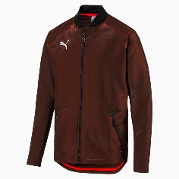 | PU014 | 656121-01 | FTBLNXT PRO JACKET | 95.00 € | 2,755.00 € | 29 | A |  |  |  |  |  |  | 5 | 9 | 9 | 6
 | PU014 | 702564-08 | PACK 3 STRIKER SOCKS | 10.00 € | 500.00 € | 50 | D |  |  |  |  | 5 | 6 | 4 | 13 | 19 | 3
 | PU014 | 702564-25 | PACK 3 STRIKER SOCKS | 10.00 € | 270.00 € | 27 | D |  |  |  |  |  |  | 9 |  | 17 | 1
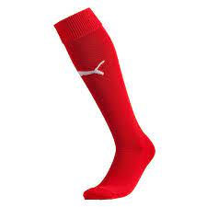 | PU014 | 702565-01 | PACK 3 STRIKER SOCKS | 10.00 € | 630.00 € | 63 | D |  |  |  |  | 27 | 22 |  |  |  | 6 | 8
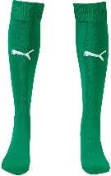 | PU014 | 702565-05 | PACK3 TEAM II SOCKS | 7.00 € | 637.00 € | 91 | D |  |  |  |  | 24 | 32 | 35
 | PU014 | 702565-20 | PACK3 TEAM II SOCKS | 7.00 € | 245.00 € | 35 | D |  |  |  |  | 1 | 14 | 5 | 5 | 9 | 1
 | PU014 | 702660-01 | PACK3 MATCH CREW SOC | 10.00 € | 700.00 € | 70 | D |  |  |  |  |  | 27 | 18 |  |  | 25
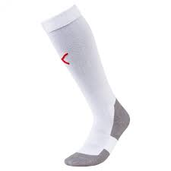 | PU014 | 703441-11 | PACK3 MATCH CREW SOC | 10.00 € | 500.00 € | 50 | D |  |  |  |  |  |  |  |  |  |  | 50
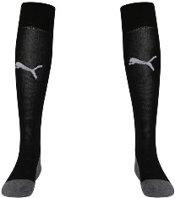 | PU014 | 703441-O3 | 12_LIGA SOCKS CORE | 8.00 € | 240.00 € | 30 | D |  |  |  |  |  |  |  |  |  | 30
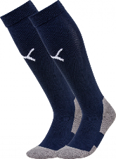 | PU014 | 703441-O6 | 15_LIGA SOCKS CORE | 8.00 € | 320.00 € | 40 | D |  |  |  |  | 10 |  |  |  | 30
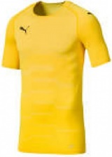 | PU014 | 703453-07 | FINAL EVOKNIT GK JE | 60.00 € | 1,140.00 € | 19 | A |  |  |  |  |  |  |  |  | 6 | 13
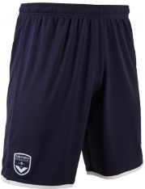 | PU014 | 753400-01 | FCGB SHORTS JR REP | 35.00 € | 350.00 € | 10 | B |  |  |  |  |  |  |  |  | 4 |  | 6
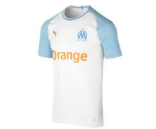 | PU017 | 753541-01 | OM HOME SHIRT AUTH | 150.00 € | 3,750.00 € | 25 | A |  |  |  |  |  |  | 21 |  |  |  | 4
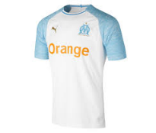 | PU017 | 753542-01 | OM HOME SHIRT REPL | 90.00 € | 8,280.00 € | 92 | A |  |  |  |  |  | 52 | 1 | 1 |  | 15 | 23
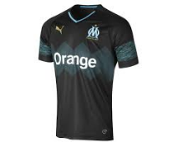 | PU017 | 753544-02 | OM AWAY SHIRT REPL | 90.00 € | 27,000.00 € | 300 | A |  |  |  |  |  | 300
 | PU017 | 753545-02 | OM AWAY SHIRT REPL | 70.00 € | 6,930.00 € | 99 | A |  |  |  |  |  | 9 |  | 60 |  |  | 30
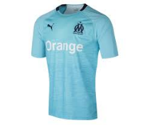 | PU017 | 753546-03 | OM THIRD SHIRT REP | 90.00 € | 5,220.00 € | 58 | A |  |  |  |  |  | 7 | 51
 | PU017 | 753547-03 | OM THIRD SHIRT REP | 70.00 € | 3,570.00 € | 51 | A |  |  |  |  |  | 5 | 19 |  | 6 |  | 21
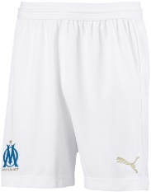 | PU014 | 753560-01 | OM SHORT REPLICA K | 35.00 € | 35.00 € | 1 | B |  |  |  |  |  |  |  |  |  |  |  |  |  |  | 1
 | PU014 | 753561-01 | OM SOCKS HOME B | 18.00 € | 1,080.00 € | 60 | D |  |  |  |  |  |  | 5 | 29 | 9 | 17
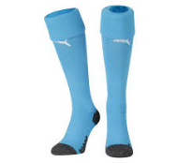 | PU017 | 753561-01 | OM SOCKS HOME B | 18.00 € | 954.00 € | 53 | A |  |  |  |  |  |  | 1 | 6 | 34 | 12
 | PU014 | 753561-04 | OM SEPARATE SOCKS | 18.00 € | 432.00 € | 24 | D |  |  |  |  |  | 3 | 4 | 3 | 0 | 14
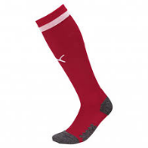 | PU017 | 753561-04 | OM SEPARATE SOCKS | 18.00 € | 2,826.00 € | 157 | A |  |  |  |  |  | 8 | 28 | 87 | 25 | 9
 | PU014 | 753561-07 | OM HOME SOCKS | 18.00 € | 3,618.00 € | 201 | D |  |  |  |  |  |  | 1 | 83 | 100 | 17
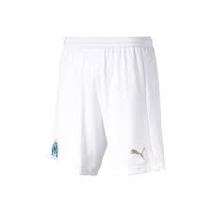 | PU017 | 753562-04 | OM SHORTS PROMO EV | 45.00 € | 1,665.00 € | 37 | A |  |  |  |  |  |  |  | 2 | 28 | 3 | 4
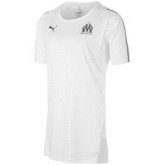 | PU014 | 753905-03 | OM WNS TRAINING JERSEY | 50.00 € | 3,600.00 € | 72 | A |  |  |  |  |  | 10 | 15 | 34 | 7 | 6
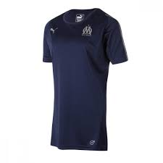 | PU014 | 753905-04 | OM WNS TRAINING JERSEY | 50.00 € | 2,450.00 € | 49 | A |  |  |  |  |  | 10 | 7 | 15 | 11 | 6
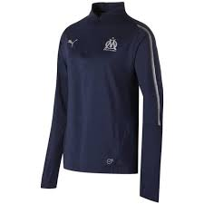 | PU014 | 753907-04 | OM WNS 1/4 ZIP TOP WOM | 70.00 € | 4,410.00 € | 63 | A |  |  |  |  |  |  | 2 | 34 | 19 | 8
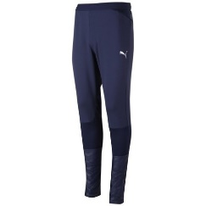 | PU014 | 753912-04 | OM WNS TRAINING PANTS | 75.00 € | 375.00 € | 5 | A |  |  |  |  |  |  |  |  |  | 5
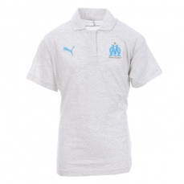 | PU014 | 753925-01 | OM WNS CASUAL PERF POL | 50.00 € | 1,000.00 € | 20 | A |  |  |  |  |  | 6 | 4 | 4 | 4 | 2
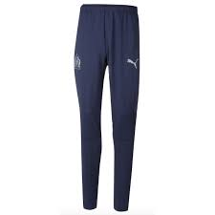 | PU014 | 753983-04 | OM TR PANT LIGA | 60.00 € | 1,140.00 € | 19 | A |  |  |  |  |  | 17 | 1 | 1
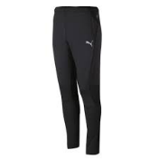 | PU017 | 753983-06 | OM TR PANT LIGA | 60.00 € | 3,240.00 € | 54 | A |  |  |  |  |  |  |  |  | 4 | 20 | 28 | 2
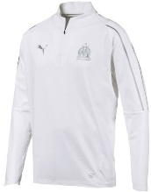 | PU014 | 753984-05 | OM 1/4 ZIP TOP WIT | 65.00 € | 1,625.00 € | 25 | A |  |  |  |  |  | 3 | 12 | 8 | 2
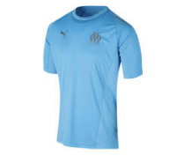 | PU017 | 753986-03 | OM TRAINING JERSEY | 50.00 € | 1,050.00 € | 21 | A |  |  |  |  |  | 21
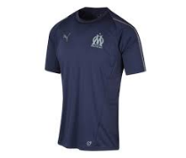 | PU017 | 753986-04 | OM TRAINING JERSEY | 50.00 € | 1,100.00 € | 22 | A |  |  |  |  |  | 22
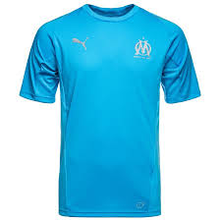 | PU014 | 753988-03 | OM TRAINING JERSEY | 45.00 € | 1,710.00 € | 38 | B |  |  |  |  |  |  |  |  |  |  | 2 |  |  |  | 36
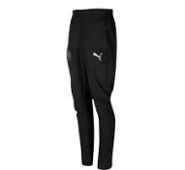 | PU017 | 754650-01 | OM WOVEN PANT WIT | 60.00 € | 1,680.00 € | 28 | A |  |  |  |  |  | 6 | 1 |  | 11 | 1 | 9
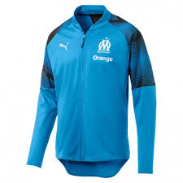 | PU014 | 754653-03 | OM POLY JACKET KID | 80.00 € | 7,760.00 € | 97 | B |  |  |  |  |  |  | 15 |  | 22 |  | 17 |  | 14 |  | 29
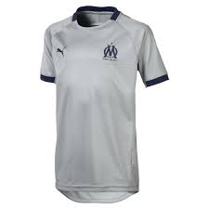 | PU014 | 754655-02 | OM GRAPHIC JERSEY | 45.00 € | 540.00 € | 12 | B |  |  |  |  |  |  |  |  |  |  |  |  | 12
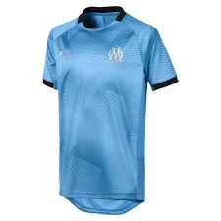 | PU014 | 754655-03 | OM GRAPHIC JERSEY | 45.00 € | 5,715.00 € | 127 | B |  |  |  |  |  |  |  |  | 21 |  | 49 |  | 35 |  | 22
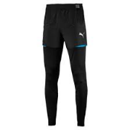 | PU017 | 754658-04 | OM PRO PANT WITH | 70.00 € | 1,400.00 € | 20 | A |  |  |  |  |  |  |  |  |  | 1 | 19
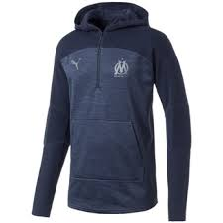 | PU014 | 754815-10 | OLYMPIQUE MARSEILL | 160.00 € | 160.00 € | 1 | A |  |  |  |  |  |  |  | 1
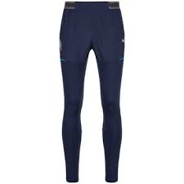 | PU014 | 754822-12 | OM MMS SWEAT PANTS | 100.00 € | 3,000.00 € | 30 | A |  |  |  |  |  | 7 | 9 | 1 | 4 | 7 | 2
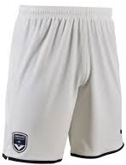 | PU014 | 755643-02 | FCGB SHORTS REPLIC | 35.00 € | 35.00 € | 1 | B |  |  |  |  |  |  |  |  | 1
 | PU014 | 755658-01 | OM HOME AUTHENTIC | 120.00 € | 11,520.00 € | 96 | A |  |  |  |  |  | 1 | 20 | 29 | 25 | 11 | 10
 | PU014 | 755662-02 | OM GK SHIRT PROMO | 125.00 € | 36,375.00 € | 291 | A |  |  |  |  |  | 2 | 1 | 52 | 62 | 97 | 77
 | PU017 | 755662-02 | OM GK SHIRT PROMO | 125.00 € | 12,500.00 € | 100 | A |  |  |  |  |  |  |  | 21 | 26 | 29 | 24
 | PU014 | 755663-02 | OM GK SHORTS PROMO | 45.00 € | 2,340.00 € | 52 | A |  |  |  |  |  |  |  |  |  | 22 | 30
 | PU014 | 755663-05 | OM GK SHORTS PROMO | 45.00 € | 4,050.00 € | 90 | A |  |  |  |  |  |  |  | 11 | 0 | 28 | 51
 | PU014 | 755664-03 | OM SHORTS PROMO | 45.00 € | 1,665.00 € | 37 | A |  |  |  |  |  |  |  |  |  |  | 37
 | PU014 | 755665-01 | OM BAND SOCKS | 18.00 € | 3,726.00 € | 207 | D |  |  |  |  |  |  | 0 | 85 | 116 | 6
 | PU014 | 755665-02 | OM BAND SOCKS | 18.00 € | 1,602.00 € | 89 | D |  |  |  |  |  | 7 | 1 | 37 | 37 | 7
 | PU014 | 755665-03 | OM BAND SOCKS | 18.00 € | 4,518.00 € | 251 | D |  |  |  |  |  |  |  | 81 | 77 | 93
 | PU014 | 755666-02 | OM SPIRAL SOCKS | 18.00 € | 234.00 € | 13 | D |  |  |  |  |  |  |  | 10 | 3
 | PU014 | 755666-05 | OM SPIRAL SOCKS | 18.00 € | 1,548.00 € | 86 | D |  |  |  |  |  |  |  | 56 | 30
 | PU017 | 755673-01 | OM HOME SHIRT REPL | 90.00 € | 54,270.00 € | 603 | A |  |  |  |  |  | 172 | 49 | 57 | 43 | 17 | 119 | 146
 | PU017 | 755674-02 | OM AWAY SHIRT REPL | 90.00 € | 18,990.00 € | 211 | A |  |  |  |  |  | 101 | 1 | 6 |  | 24 | 39 | 40
 | PU017 | 755675-03 | OM 3RD SHIRT REPLI | 90.00 € | 25,650.00 € | 285 | A |  |  |  |  |  | 29 | 61 | 108 | 65 | 1 | 10 | 11
 | PU014 | 755680-01 | OM HOME SHIRT REPL | 90.00 € | 23,400.00 € | 260 | A |  |  |  |  |  | 29 | 45 | 32 | 85 | 69
 | PU014 | 755681-02 | OM AWAY SHIRT REPL | 90.00 € | 14,850.00 € | 165 | A |  |  |  |  |  | 13 | 24 | 58 | 48 | 22
 | PU014 | 755682-03 | OM 3RD SHIRT REPL | 90.00 € | 14,400.00 € | 160 | A |  |  |  |  |  | 22 | 25 | 60 | 22 | 31
 | PU014 | 755684-02 | OM SHORTS REPL W W | 45.00 € | 1,530.00 € | 34 | A |  |  |  |  |  | 13 | 12 | 2 | 2 | 5
 | PU014 | 755684-03 | OM SHORTS REPL W W | 45.00 € | 5,130.00 € | 114 | A |  |  |  |  |  | 12 | 25 | 37 | 27 | 13
 | PU017 | 755686-01 | OM HOME SHIRT REPL | 70.00 € | 42,070.00 € | 601 | B |  |  |  |  |  |  | 28 | 174 | 132 | 161 | 106
 | PU014 | 755687-02 | OM AWAY SHIRT REPL | 70.00 € | 56,840.00 € | 812 | B |  |  |  |  |  |  | 6 |  | 139 |  | 56 |  | 213 |  | 398
 | PU014 | 755688-03 | OM 3RD SHIRT REPLI | 70.00 € | 83,160.00 € | 1188 | B |  |  |  |  |  |  | 38 |  | 202 |  | 153 |  | 383 |  | 412
 | PU014 | 755691-03 | OM SHORTS REPLICA | 35.00 € | 70.00 € | 2 | B |  |  |  |  |  |  |  |  |  |  |  |  | 2
 | PU014 | 755692-01 | OM HOME MINIKIT W/ | 65.00 € | 30,745.00 € | 473 | B |  |  | 49 | 34 | 132 | 106 | 152
 | PU014 | 755693-M2 | 02_OM AWAY MINI-KITW | 65.00 € | 1,235.00 € | 19 | B |  |  |  | 3 | 2 | 9 | 5
 | PU014 | 755695-M1 | 01_OM HOME BABY-KITW | 55.00 € | 2,860.00 € | 52 | C |  |  |  |  | 23 | 29
 | PU014 | 755828-01 | OM TRAINING JERSEY | 50.00 € | 100.00 € | 2 | A |  |  |  |  |  |  |  |  |  |  | 2
 | PU014 | 755828-04 | OM TRAINING JERSEY | 50.00 € | 250.00 € | 5 | A |  |  |  |  |  |  |  |  | 4 | 1
 | PU014 | 755830-01 | OM TRAINING JERSEY | 45.00 € | 5,265.00 € | 117 | B |  |  |  |  |  |  | 19 |  |  |  |  |  | 2 |  | 13 |  | 83
 | PU014 | 755830-03 | OM TRAINING JERSEY | 45.00 € | 3,015.00 € | 67 | B |  |  |  |  |  |  | 35 |  | 32
 | PU014 | 755830-04 | OM TRAINING JERSEY | 45.00 € | 45.00 € | 1 | B |  |  |  |  |  |  |  |  |  |  |  |  |  |  |  |  | 1
 | PU014 | 755831-04 | OM 1/4 ZIP TRAININ | 65.00 € | 10,920.00 € | 168 | A |  |  |  |  |  | 18 |  |  |  | 15 | 62 | 73
 | PU014 | 755833-04 | OM 1/4 ZIP TRAININ | 60.00 € | 7,740.00 € | 129 | B |  |  |  |  |  |  | 118 |  | 1 |  | 5 |  | 3 |  | 2
 | PU014 | 755849-01 | OM CASUALS T-SHIRT WMS | 45.00 € | 90.00 € | 2 | A |  |  |  |  |  |  | 2
 | PU014 | 755849-02 | OM CASUALS T-SHIRT | 45.00 € | 1,125.00 € | 25 | A |  |  |  |  |  | 8 | 7 | 5 | 4 | 1
 | PU014 | 755856-02 | OM CASUALS ZIPPED | 70.00 € | 6,860.00 € | 98 | A |  |  |  |  |  | 41 | 30 | 20 | 7
 | PU014 | 755868-01 | OM WOVEN PANTS WIT | 55.00 € | 6,875.00 € | 125 | A |  |  |  |  |  |  |  | 2 | 14 | 52 | 48 | 9
 | PU014 | 755868-04 | OM WOVEN PANTS WIT | 55.00 € | 220.00 € | 4 | A |  |  |  |  |  |  |  |  |  |  |  | 4
 | PU014 | 755870-02 | OM STADIUM JERSEY | 50.00 € | 7,950.00 € | 159 | A |  |  |  |  |  | 33 | 33 | 56 | 31 | 6
 | PU017 | 755988-01 | OM TRAINING JERSEY | 40.00 € | 4,000.00 € | 100 | A |  |  |  |  |  | 14 | 16 | 32 | 21 | 10 | 6 | 1
 | PU017 | 755988-03 | OM TRAINING JERSEY | 40.00 € | 4,000.00 € | 100 | A |  |  |  |  |  | 14 | 19 | 32 | 17 | 11 | 7
 | PU017 | 755988-04 | OM TRAINING JERSEY | 40.00 € | 3,960.00 € | 99 | A |  |  |  |  |  | 18 | 18 | 33 | 15 | 9 | 6
 | PU014 | 756079-02 | OM-PUMA DNA TEE | 25.00 € | 100.00 € | 4 | A |  |  |  |  |  | 2 | 2
 | PU014 | 756142-01 | ACM 1899 1/4 ZIP T | 80.00 € | 17,120.00 € | 214 | A |  |  |  |  |  | 3 | 101 | 64 | 27 | 17 | 2
 | PU014 | 756208-03 | OM TRAINING PANTS | 55.00 € | 7,535.00 € | 137 | B |  |  |  |  |  |  | 9 |  | 45 |  |  |  | 33 |  | 45 |  | 5
 | PU017 | 756211-01 | OM HOME SHIRT PROM | 120.00 € | 12,000.00 € | 100 | A |  |  |  |  |  | 5 | 9 | 13 | 22 | 40 | 11
 | PU017 | 756212-02 | OM AWAY SHIRT PROM | 120.00 € | 12,120.00 € | 101 | A |  |  |  |  |  | 10 | 10 | 16 | 25 | 29 | 11
 | PU017 | 756213-03 | OM 3RD SHIRT PROMO | 120.00 € | 11,880.00 € | 99 | A |  |  |  |  |  | 8 | 14 | 26 | 24 | 20 | 7
 | PU014 | 756283-03 | OM STADIUM JERSEY | 45.00 € | 9,540.00 € | 212 | B |  |  |  |  |  |  |  |  | 37 |  | 49 |  | 51 |  | 70 |  | 5
 | PU014 | 756380-03 | OM SIDELINE JACKET | 80.00 € | 1,200.00 € | 15 | A |  |  |  |  |  |  |  |  | 6 | 4 | 4 | 1
 | PU014 | 756380-M4 | 04_OM SIDELINE JACKET | 80.00 € | 1,600.00 € | 20 | A |  |  |  |  |  |  |  |  |  | 7 | 9 | 4
 | PU014 | 756743-01 | OM BAND SOCKS | 18.00 € | 3,204.00 € | 178 | D |  |  |  |  |  |  | 21 | 83 | 74
 | PU016 | 756743-03 | OM BAND SOCKS.PUMA B | 18.00 € | 4,464.00 € | 248 | D |  |  |  |  |  |  | 18 | 115 | 115
 | PU014 | 909303-05 | PRO TOUR FIT CAP | 30.00 € | 750.00 € | 25 | A |  |  |  |  |  |  |  |  |  |  |  |  |  |  | 23 | 2 | 0

